Picture
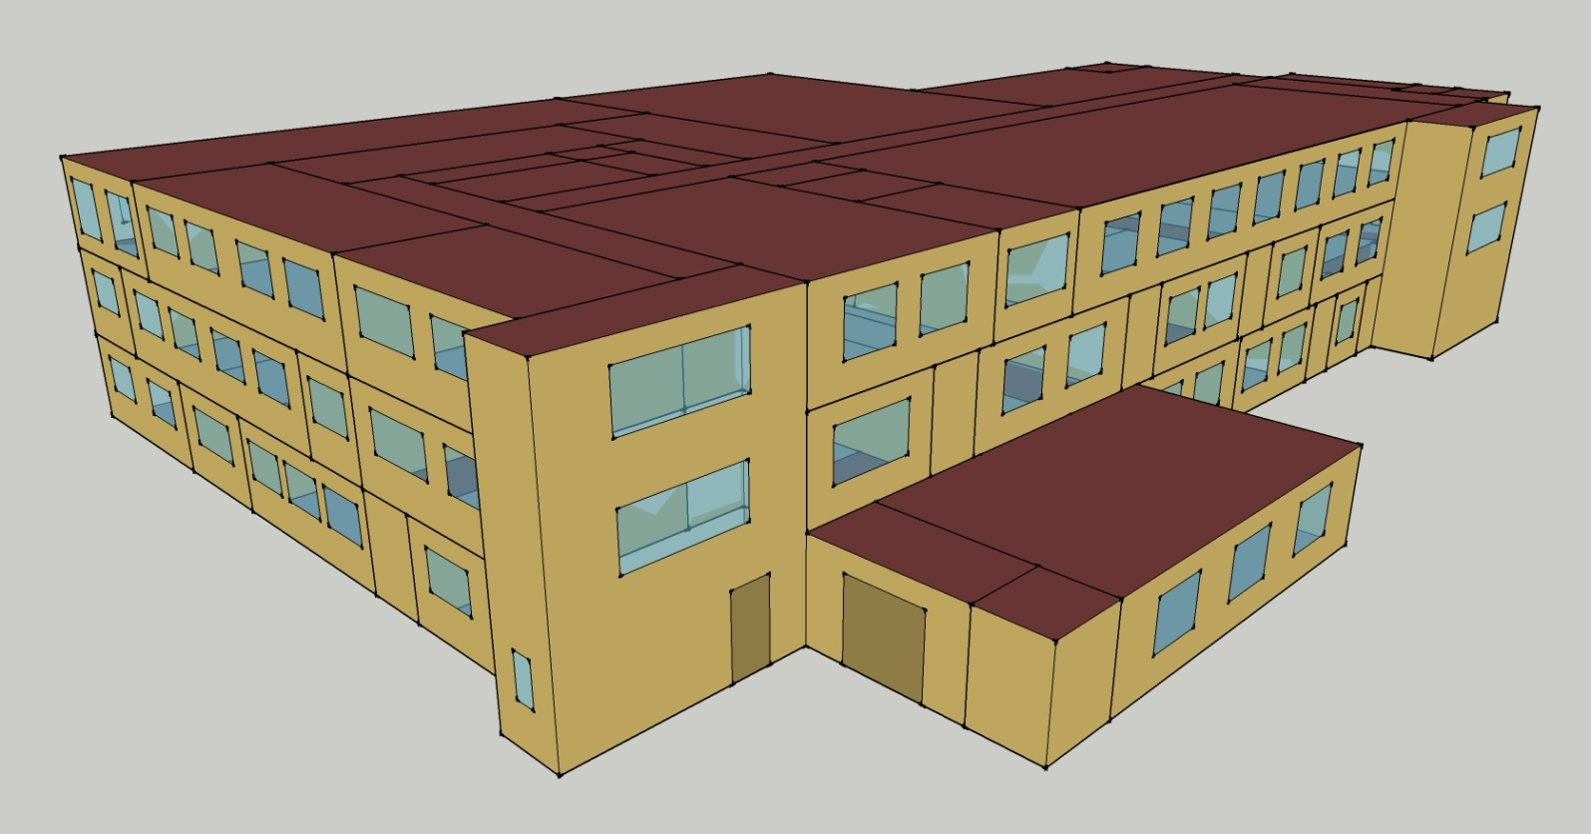
DOE Commercial Building Benchmark - Outpatient Health Care

Elec
 | Cooling | Interior Lighting | Exterior Lighting | Interior Equipment | Fans
Miami | 742,988.89 | 221,016.67 | 74,091.67 | 499,777.78 | 287,047.22
Houston | 634,663.89 | 221,016.67 | 74,063.89 | 499,777.78 | 288,325.00
Phoenix | 634,947.22 | 221,016.67 | 74,050.00 | 499,777.78 | 303,288.89
Atlanta | 505,519.44 | 221,016.67 | 74,038.89 | 499,777.78 | 295,030.56
Los Angeles | 427,300.00 | 221,016.67 | 73,983.33 | 499,777.78 | 277,175.00
Las Vegas | 527,572.22 | 221,016.67 | 73,966.67 | 499,777.78 | 306,347.22
San Francisco | 296,772.22 | 221,016.67 | 74,005.56 | 499,777.78 | 266,800.00
Baltimore | 423,544.44 | 221,016.67 | 73,961.11 | 499,777.78 | 281,633.33
Albuquerque | 371,161.11 | 221,016.67 | 73,988.89 | 499,777.78 | 316,463.89
Seattle | 270,733.33 | 221,016.67 | 73,841.67 | 499,777.78 | 275,352.78
Chicago | 316,841.67 | 221,016.67 | 73,972.22 | 499,777.78 | 265,072.22
Boulder | 279,497.22 | 221,016.67 | 73,927.78 | 499,777.78 | 292,452.78
Minneapolis | 282,172.22 | 221,016.67 | 73,922.22 | 499,777.78 | 265,647.22
Helena | 225,136.11 | 221,016.67 | 73,905.56 | 499,777.78 | 280,030.56
Duluth | 186,372.22 | 221,016.67 | 73,863.89 | 499,777.78 | 254,558.33
Fairbanks | 129,761.11 | 221,016.67 | 73,411.11 | 499,777.78 | 243,722.22

Gas
 | Heating | Water Systems
Miami | 2,568,370.00 | 28,110.00
Houston | 3,106,260.00 | 33,520.00
Phoenix | 3,277,480.00 | 30,380.00
Atlanta | 3,619,520.00 | 38,750.00
Los Angeles | 3,592,270.00 | 37,740.00
Las Vegas | 3,252,010.00 | 34,120.00
San Francisco | 3,765,570.00 | 42,220.00
Baltimore | 3,789,350.00 | 42,850.00
Albuquerque | 3,326,410.00 | 42,060.00
Seattle | 3,991,910.00 | 44,990.00
Chicago | 3,728,910.00 | 46,480.00
Boulder | 3,277,490.00 | 46,290.00
Minneapolis | 3,935,530.00 | 49,570.00
Helena | 3,626,140.00 | 50,170.00
Duluth | 3,966,430.00 | 54,750.00
Fairbanks | 4,880,280.00 | 60,970.00

EUI
 | Cooling (elec) | Interior Lighting (elec) | Exterior Lighting (elec) | Interior Equipment (elec) | Fans (elec) | Heating (gas) | Water Systems (gas)
Miami | 703.14 | 209.16 | 70.12 | 472.97 | 271.65 | 675.17 | 7.39
Houston | 600.63 | 209.16 | 70.09 | 472.97 | 272.86 | 816.58 | 8.81
Phoenix | 600.89 | 209.16 | 70.08 | 472.97 | 287.02 | 861.59 | 7.99
Atlanta | 478.41 | 209.16 | 70.07 | 472.97 | 279.21 | 951.50 | 10.19
Los Angeles | 404.38 | 209.16 | 70.02 | 472.97 | 262.31 | 944.34 | 9.92
Las Vegas | 499.28 | 209.16 | 70.00 | 472.97 | 289.92 | 854.89 | 8.97
San Francisco | 280.86 | 209.16 | 70.04 | 472.97 | 252.49 | 989.89 | 11.10
Baltimore | 400.83 | 209.16 | 69.99 | 472.97 | 266.53 | 996.15 | 11.26
Albuquerque | 351.26 | 209.16 | 70.02 | 472.97 | 299.49 | 874.45 | 11.06
Seattle | 256.21 | 209.16 | 69.88 | 472.97 | 260.59 | 1049.40 | 11.83
Chicago | 299.85 | 209.16 | 70.01 | 472.97 | 250.86 | 980.26 | 12.22
Boulder | 264.51 | 209.16 | 69.96 | 472.97 | 276.77 | 861.59 | 12.17
Minneapolis | 267.04 | 209.16 | 69.96 | 472.97 | 251.40 | 1034.57 | 13.03
Helena | 213.06 | 209.16 | 69.94 | 472.97 | 265.01 | 953.24 | 13.19
Duluth | 176.38 | 209.16 | 69.90 | 472.97 | 240.91 | 1042.70 | 14.39
Fairbanks | 122.80 | 209.16 | 69.47 | 472.97 | 230.65 | 1282.93 | 16.03

Water
 | Total Building | Water for Electricity (m3)
Miami | 242.53 | 976.33
Houston | 270.91 | 2,926.41
Phoenix | 360.78 | 55,710.00
Atlanta | 328.25 | 10,954.80
Los Angeles | 271.26 | 27,480.20
Las Vegas | 501.53 | 51,904.70
San Francisco | 257.33 | 25,478.20
Baltimore | 379.20 | 392.44
Albuquerque | 507.40 | 8,021.76
Seattle | 297.30 | 15,505.80
Chicago | 398.18 | 2,508.66
Boulder | 503.69 | 7,505.78
Minneapolis | 438.66 | 2,525.96
Helena | 496.35 | 101,892.00
Duluth | 479.43 | 2,442.22
Fairbanks | 563.77 | 1,688.41

Carbon
 | Carbon Equivalent (kg)
Miami | 555,655.91
Houston | 659,933.39
Phoenix | 629,207.56
Atlanta | 609,834.84
Los Angeles | 251,766.57
Las Vegas | 700,774.47
San Francisco | 241,646.22
Baltimore | 538,957.37
Albuquerque | 785,791.01
Seattle | 186,731.71
Chicago | 933,574.45
Boulder | 738,566.30
Minneapolis | 632,559.99
Helena | 657,514.24
Duluth | 614,734.62
Fairbanks | 557,516.69

LghtSch
Lighting Schedules
 | Weekdays, CDD | Saturday | Sun, Hol, Other
 | 0.1 | 0.1 | 0.05
 | 0.1 | 0.1 | 0.05
 | 0.1 | 0.1 | 0.05
 | 0.1 | 0.1 | 0.05
 | 0.3 | 0.1 | 0.05
 | 0.3 | 0.1 | 0.05
 | 0.6 | 0.1 | 0.05
 | 0.9 | 0.3 | 0.05
 | 0.9 | 0.3 | 0.1
 | 0.9 | 0.4 | 0.1
 | 0.9 | 0.4 | 0.1
 | 0.9 | 0.4 | 0.1
 | 0.9 | 0.4 | 0.1
 | 0.9 | 0.4 | 0.1
 | 0.9 | 0.4 | 0.1
 | 0.9 | 0.3 | 0.1
 | 0.9 | 0.3 | 0.1
 | 0.9 | 0.3 | 0.05
 | 0.6 | 0.3 | 0.05
 | 0.6 | 0.3 | 0.05
 | 0.3 | 0.1 | 0.05
 | 0.3 | 0.1 | 0.05
 | 0.1 | 0.1 | 0.05
 | 0.1 | 0.1 | 0.05

EqpSch
Equipment Schedules
 | Weekdays, CDD | Saturday | Sun, Hol, Other
 | 0.3 | 0.3 | 0.3
 | 0.3 | 0.3 | 0.3
 | 0.3 | 0.3 | 0.3
 | 0.3 | 0.3 | 0.3
 | 0.5 | 0.3 | 0.3
 | 0.5 | 0.3 | 0.3
 | 1 | 0.3 | 0.3
 | 1 | 0.5 | 0.3
 | 1 | 0.5 | 0.5
 | 1 | 0.8 | 0.5
 | 1 | 0.8 | 0.5
 | 1 | 0.8 | 0.5
 | 1 | 0.8 | 0.5
 | 1 | 0.8 | 0.5
 | 1 | 0.8 | 0.5
 | 1 | 0.5 | 0.5
 | 1 | 0.5 | 0.5
 | 1 | 0.5 | 0.3
 | 0.5 | 0.5 | 0.3
 | 0.5 | 0.5 | 0.3
 | 0.3 | 0.3 | 0.3
 | 0.3 | 0.3 | 0.3
 | 0.3 | 0.3 | 0.3
 | 0.3 | 0.3 | 0.3

OccSch
Occupancy Schedules
 | Weekdays, CDD | Saturday | Sun, Hol, Other
 | 0.05 | 0.05 | 0
 | 0.05 | 0.05 | 0
 | 0.05 | 0.05 | 0
 | 0.05 | 0.05 | 0
 | 0.2 | 0.05 | 0
 | 0.2 | 0.05 | 0
 | 0.5 | 0.05 | 0
 | 0.9 | 0.2 | 0
 | 0.9 | 0.2 | 0.05
 | 0.9 | 0.3 | 0.05
 | 0.9 | 0.3 | 0.05
 | 0.9 | 0.3 | 0.05
 | 0.9 | 0.3 | 0.05
 | 0.9 | 0.3 | 0.05
 | 0.9 | 0.3 | 0.05
 | 0.9 | 0.2 | 0.05
 | 0.9 | 0.2 | 0.05
 | 0.9 | 0.2 | 0
 | 0.5 | 0.2 | 0
 | 0.5 | 0.2 | 0
 | 0.2 | 0.05 | 0
 | 0.2 | 0.05 | 0
 | 0.05 | 0.05 | 0
 | 0.05 | 0.05 | 0

HeatSch
Heating Set Point Schedules
 | Weekdays, CDD | Saturday, HDD | Sun, Hol, Other | Operating Rms
 | 18.3 | 18.3 | 18.3 | 18.3
 | 18.3 | 18.3 | 18.3 | 18.3
 | 18.3 | 18.3 | 18.3 | 18.3
 | 18.3 | 18.3 | 18.3 | 18.3
 | 18.3 | 18.3 | 18.3 | 18.3
 | 21.1 | 18.3 | 18.3 | 18.3
 | 21.1 | 18.3 | 18.3 | 18.3
 | 21.1 | 21.1 | 18.3 | 18.3
 | 21.1 | 21.1 | 18.3 | 18.3
 | 21.1 | 21.1 | 18.3 | 18.3
 | 21.1 | 21.1 | 18.3 | 18.3
 | 21.1 | 21.1 | 18.3 | 18.3
 | 21.1 | 21.1 | 18.3 | 18.3
 | 21.1 | 21.1 | 18.3 | 18.3
 | 21.1 | 21.1 | 18.3 | 18.3
 | 21.1 | 18.3 | 18.3 | 18.3
 | 21.1 | 18.3 | 18.3 | 18.3
 | 21.1 | 18.3 | 18.3 | 18.3
 | 18.3 | 18.3 | 18.3 | 18.3
 | 18.3 | 18.3 | 18.3 | 18.3
 | 18.3 | 18.3 | 18.3 | 18.3
 | 18.3 | 18.3 | 18.3 | 18.3
 | 18.3 | 18.3 | 18.3 | 18.3
 | 18.3 | 18.3 | 18.3 | 18.3

CoolSch
Cooling Set Point Schedules
 | Weekdays, CDD | Saturday, HDD | Sun, Hol, Other | Operating Rms
 | 25 | 25 | 25 | 22.2
 | 25 | 25 | 25 | 22.2
 | 25 | 25 | 25 | 22.2
 | 25 | 25 | 25 | 22.2
 | 25 | 25 | 25 | 22.2
 | 22.2 | 25 | 25 | 22.2
 | 22.2 | 25 | 25 | 18.3
 | 22.2 | 22.2 | 25 | 18.3
 | 22.2 | 22.2 | 25 | 18.3
 | 22.2 | 22.2 | 25 | 18.3
 | 22.2 | 22.2 | 25 | 18.3
 | 22.2 | 22.2 | 25 | 18.3
 | 22.2 | 22.2 | 25 | 18.3
 | 22.2 | 22.2 | 25 | 18.3
 | 22.2 | 22.2 | 25 | 18.3
 | 22.2 | 25 | 25 | 18.3
 | 22.2 | 25 | 25 | 18.3
 | 22.2 | 25 | 25 | 22.2
 | 25 | 25 | 25 | 22.2
 | 25 | 25 | 25 | 22.2
 | 25 | 25 | 25 | 22.2
 | 25 | 25 | 25 | 22.2
 | 25 | 25 | 25 | 22.2
 | 25 | 25 | 25 | 22.2

